Sheet1
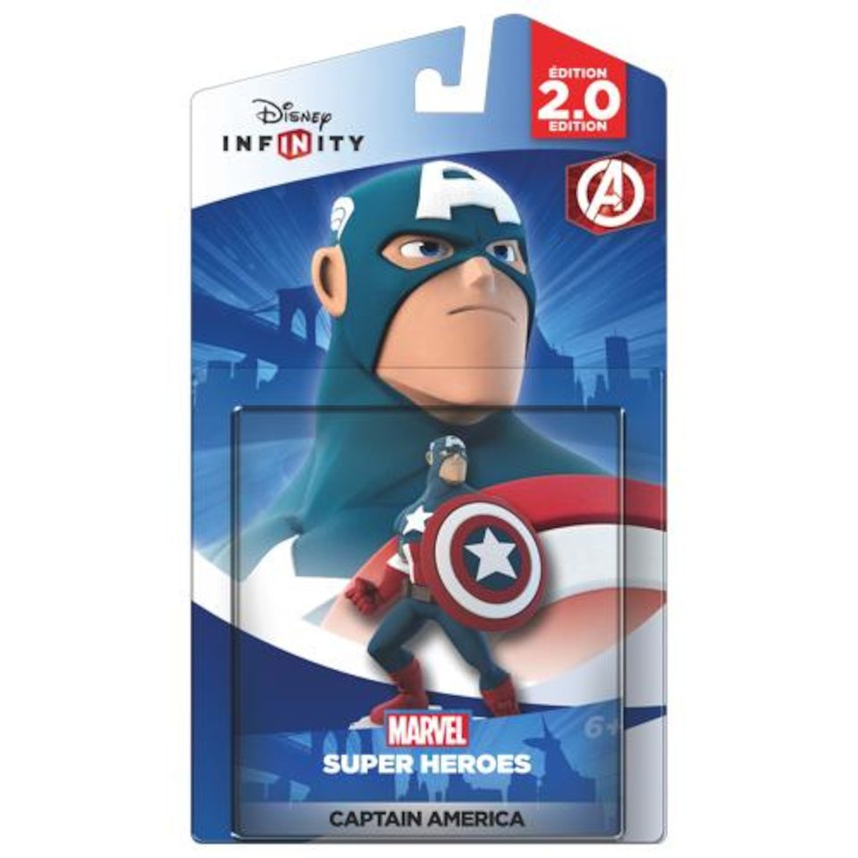
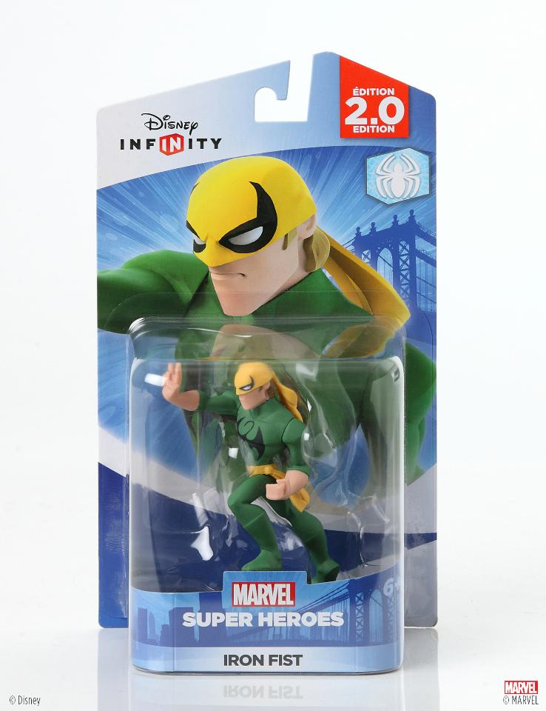
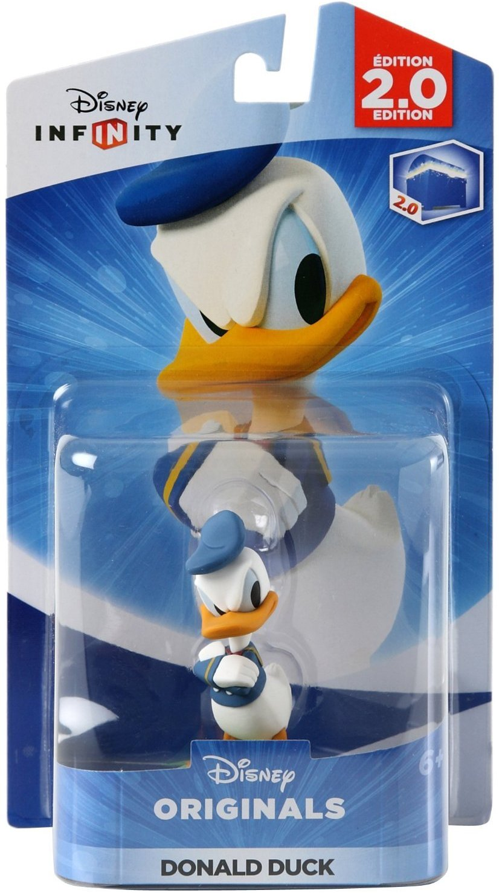
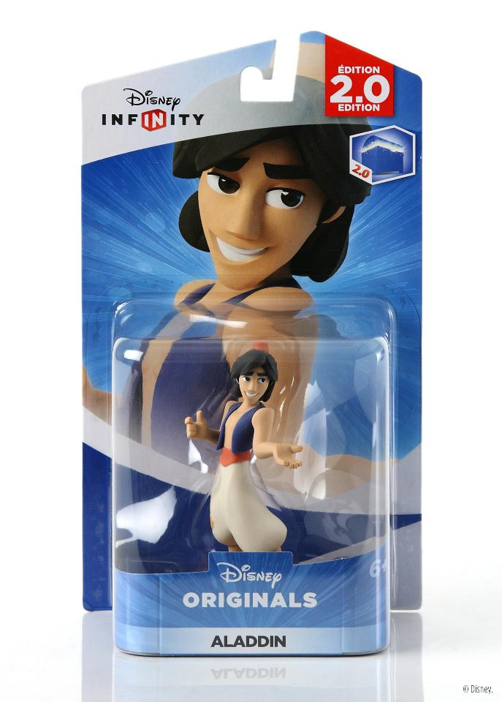
UPC | TITLE CHARACTER | BRAND | UNITS | Case Pack | CASES
712725028336 | DISNEY INF 3 NEMO | DISNEY INFINITY | 2400 | 24 | 100
712725027643 | DISNEY INF 3 SW KYLO LIGHT FX | DISNEY INFINITY | 2784 | 24 | 116
712725025809 | DISNEY INF 2 MALEFICENT | DISNEY INFINITY | 2544 | 24 | 106
712725026936 | DISNEY INF 3 SW ZEB ORRELIOS | DISNEY INFINITY | 1920 | 24 | 80
712725027025 | DISNEY INF 3 MULAN | DISNEY INFINITY | 1680 | 24 | 70
712725027056 | DISNEY INF 3 PIXAR SADNESS | DISNEY INFINITY | 648 | 24 | 27
712725025823 | DISNEY INF 2 ALADDIN | DISNEY INFINITY | 816 | 24 | 34
712725026332 | DISNEY INF 2 FALCON | DISNEY INFINITY | 816 | 24 | 34
712725025847 | DISNEY INF 2 HIRO | DISNEY INFINITY | 1032 | 24 | 43
712725025724 | DISNEY INF 2 CAPT AMERICA | DISNEY INFINITY | 2160 | 24 | 90
712725025816 | DISNEY INF 2 DONALD DUCK | DISNEY INFINITY | 1584 | 24 | 66
712725025731 | DISNEY INF 2 IRON FIST | DISNEY INFINITY | 1344 | 24 | 56
712725026042 | DISNEY INF 2 JASMINE | DISNEY INFINITY | 1152 | 24 | 48
712725026301 | DISNEY INF 2 LOKI | DISNEY INFINITY | 960 | 24 | 40
712725025861 | DISNEY INF 2 TINKERBELL | DISNEY INFINITY | 2304 | 24 | 96
 |  |  | 24144 |  | 1006

